1. Title Page
[Instacart marketing analysis - Bianca Honey ]

Project Name: Instacart marketing analysis
Date: 19/09/2023
Analyst Name: Bianca Honey

Contents:
Population Flow
Consistency checks
Wrangling steps
Column derivations
Visualizations
Recommendations

“The Instacart Online Grocery Shopping Dataset 2017”, Accessed from www.instacart.com/datasets/grocery-shopping-2017 via Kaggle on [19/09/2023].

2. Population Flow
Title page

Population flow

Exclusion flag
Condition: max_order < 5 (these customers were removed)
Obervations to be removed: Abnormally high prices were (>100) were excluded from visualisation
Final total count of order_products_all: Final count of dataframe (including customer persona flags: 3240489 rows, 37 columns

Orders_products_combined
Orders_products_merged
Orders_products_all

Total: 32434489 rowa, 11 columns
Total: 32404859 rows, 15 columns
Total: 324,048,59 rows, 37 columns

3. Consistency checks
 |  |  |  | Title page
Consistency checks

Dataset | Missing values | Missing values treatment | Duplicates
orders | 206,209 rows of missing data in 'days_since_prior_order' | ignore | none
products | 16 rows of missing rows in 'product_name' column | deleted | 5 duplicates deleted
orders_products_prior | none | none | none
customers | 11,259 missing values for customer first name | the column wasn't used in the analysis | none

4. Wrangling steps
 |  |  |  | Title page
Wrangling steps

Columns dropped | Columns renamed | Columns' type changed | Comment/Reason
orders: eval_set | orders_DOW to orders_day_of_week | Departments transposed
Customers: first name | Customers: Column names made uniform (first_name, surname, gender, state, age)
Customers: Surname

5. Column derivations
 |  |  |  | Title page

Column derivations and aggregations

Dataset | New column | Column/s it was derived from | Conditions
Orders & Products | price_range | Prices | Price <= 5: 'Low-range product' Price > 5<= 15 : 'Mid-range product' Price > 15: 'High range' else: return 'Not enough data'
Orders & Products | busiest day | orders_day_of_week | If value = 0 : Busiest day
 |  |  | If value = 4 : Least Busy Day
 |  |  | If value = 1, 2, 4, 5, 6 : Regularly busy
Orders & Products | busiest _period_of_day | orders_day_of_week | Most orders 10, 11, 14, 15, 13, 12, 16, 9
 |  |  | Average orders 17, 8, 18, 19, 20, 7, 21, 22
 |  |  | Fewest orders = 23, 6, 0, 1, 5, 2, 4, 3
Orders & Products | loyalty_flag | Order number | Max orders > 40 : Loyal Customer
 |  | user_id | max order <= 40 > 10 : regular customer
 |  |  | max order <= 10: New customer
Orders , Products & Customers (merged) | total_order_cost | user_id | Sum total order cost per users order
 |  | order_id
 |  | prices
Orders , Products & Customers (merged) | number_prod_per_order | order_id | Aggregate number of items (add_to_cart_order) per individual order
 |  | add_to_cart_order
Orders , Products & Customers (merged) | avg_prod_prics | user_id | Average product price calculated per user
 |  | prices
Orders , Products & Customers (merged) | region | region based on states | northeast = 'Maine','New Hampshire', 'Vermont', 'Massachusetts','Rhode Island', 'Connecticut','New York','Pennsylvania','New Jersey' midwest = 'Wisconsin','Michigan','Illinois','Indiana','Ohio','North Dakota','South Dakota', 'Nebraska','Kansas','Minnesota','Iowa','Missouri' south = 'Delaware','Maryland','District of Columbia','Virginia','West Virginia','North Carolina', 'South Carolina','Georgia','Florida','Kentucky','Tennessee','Mississippi','Alabama','Oklahoma', 'Texas','Arkansas','Louisiana' west = 'Idaho', 'Montana', 'Wyoming', 'Nevada', 'Utah', 'Colorado', 'Arizona','New Mexico', 'Alaska', 'Washington', 'Oregon', 'California', 'Hawaii'
Orders , Products & Customers (merged) | age_profile | age | 0 - 25 = Young Adult 26 = 35 = Adult 36 - 45 = Senior Adult 46 - 55+ = Senior
Orders , Products & Customers (merged) | income_profile | income | 0 - 30,000 =Low Income 30,001 - 45,000 = Lower-Middle Income 45,001 - 75,000 =Middle Income, 75,001 - 100000 = Upper-Middle Income, 100,000+ = High Income
Orders , Products & Customers (merged) | profile_categories | department, user_id | profile_categories:
Orders , Products & Customers (merged) | profile_categories | department, user_id | Family Shopper: Profile Criteria: Customers with a high number of dependents who purchase from the "baby" and "pantry" departments.
Orders , Products & Customers (merged) | profile_categories | department, user_id | Pet owner: Profile Criteria: Customers who purchase items from the "pets" department.
Orders , Products & Customers (merged) | profile_categories | department, user_id | Late night shopper: Profile Criteria: Customers who shop during late hours (e.g., after 8 PM) based on the "order_hour_of_day" column.
Orders , Products & Customers (merged) | profile_categories | department, user_id | Gourmet foodie: Profile Criteria: Customers who buy specialty items from the "international" and "deli" departments.
Orders , Products & Customers (merged) | profile_categories | department, user_id | Single Adult: Prodile Criteria: Customers who are considered to be legal adults (18+) without any dependants.
Orders , Products & Customers (merged) | profile_categories | department, user_id | Convenience Shopper: Profile Criteria: Customers who frequently purchase items from the "frozen," "canned goods," and "snacks" departments.
Orders , Products & Customers (merged) | profile_categories | department, user_id | Bulk Shopper: Profile Criteria: Customers who buy items in bulk from the "bulk" department.
Orders , Products & Customers (merged) | profile_categories | department, user_id | Weekend Shopper: Profile Criteria: Customers who tend to shop on weekends (based on "orders_day_of_week" and "order_hour_of_day" columns).
Orders , Products & Customers (merged) | profile_categories | department, user_id | Health Enthusiast: Profile Criteria: Customers who purchase a significant number of items from the "produce," "meat seafood," and "dairy eggs" departments.

6. Visualizations
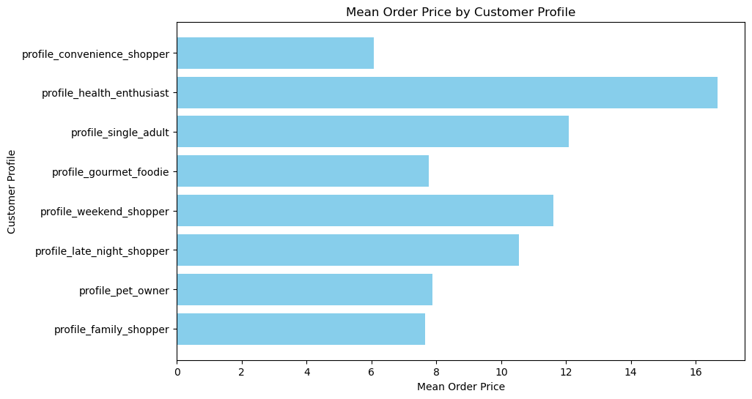
 |  | Title page

Visualisations

Questions | Answers |  | Visualisations

1. What are the busiest days of the week and hours of the day are (i.e., the days and times with the most orders) in order to schedule ads at times when there are fewer orders. | Saturday and Sunday are the busiest days of the week. Additionally 10 am - 12 pm tend to be the busiest times of day for orders. |  | 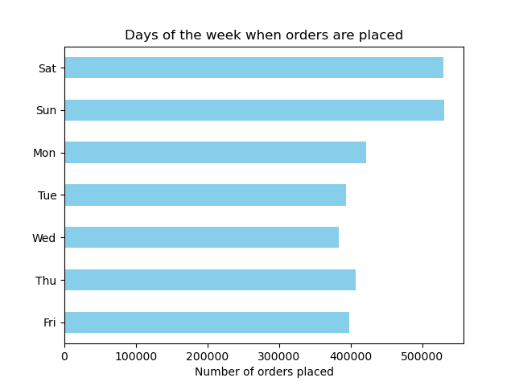 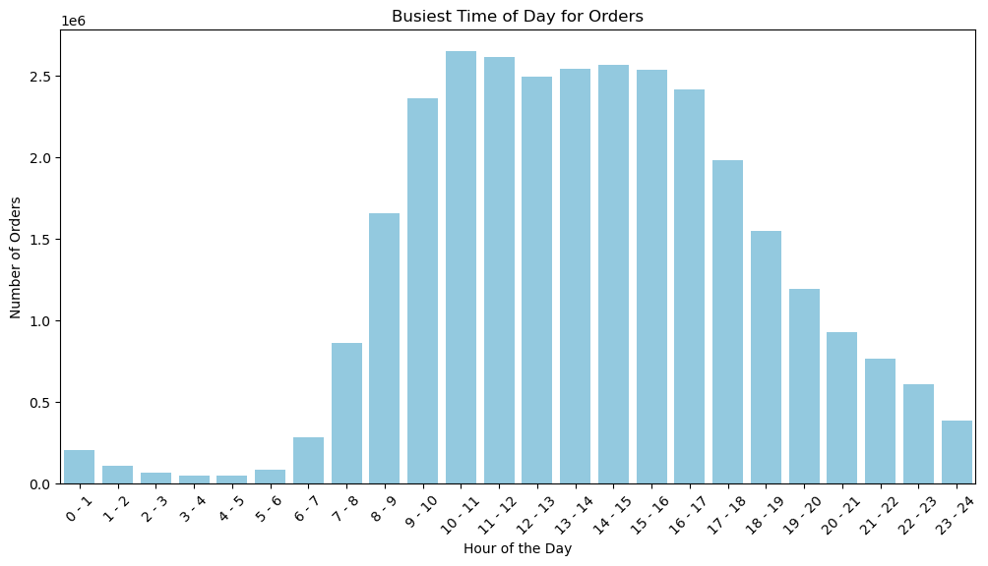

2. Are particular times of the day when people spend the most money, as this might inform the type of products they advertise at these times. | In terms of order cost 11 am to 12pm tend to receive the highest value (amount) in orders - again this falls into the same shopping gap as mentioned above of 10 am to 12pm |  | 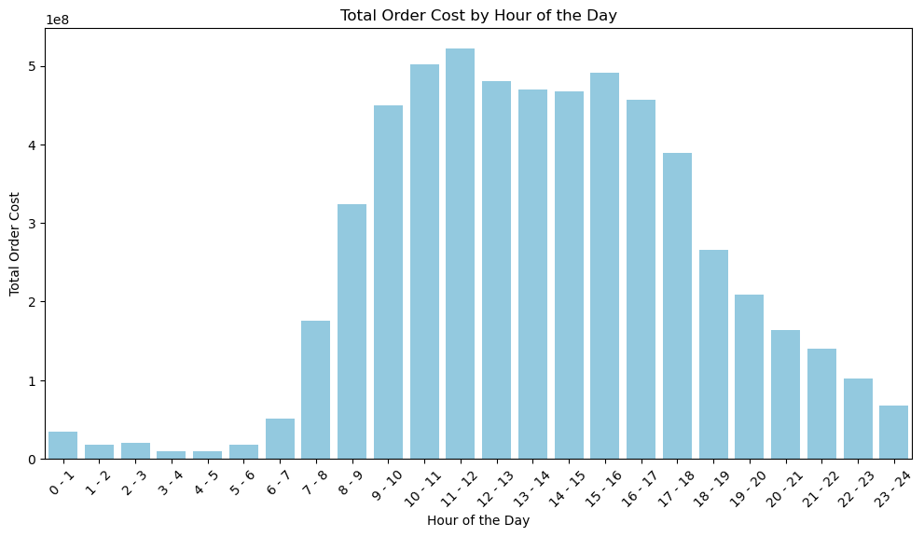

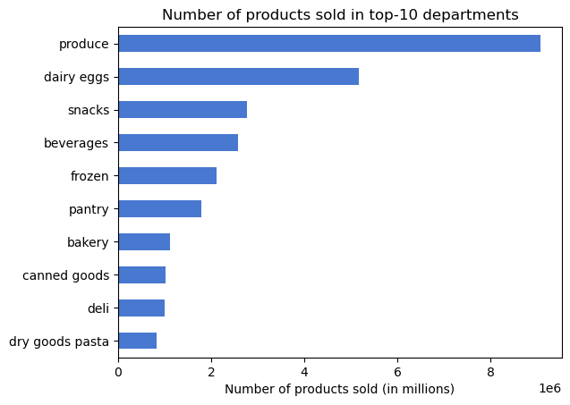
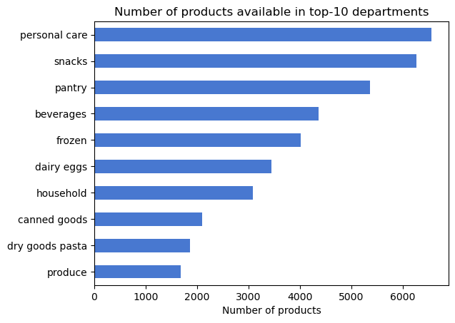
3. Instacart has a lot of products with different price tags. Marketing and sales want to use simpler price range groupings to help direct their efforts. | Using the following Price Range bins: $0-$15 = Low Price $16 - $25 = Medium Price $25 + = Higher Price We can see that most products are priced within the medium price range ($16 - $25). But it in order to be a bit more specific , we can see that most department categories have low to medium prices with the exception of meat & seafood, which holds products in higher price range and medium price range. Comparing that to the top 10 department categories in terms of products sold - we can see that the Produce, dairy & eggs, snacks and beverages departments all fall within the low to meduim price range . Additionally on the left you can see which products are currently in stock - in order to attribute for the demand within these categories the team will need to ensure that the logistic are streamlined for each department. Additionally in order to 'move' some of the products in that are high in stock levels but not necessarily in demand one could proposition sales and discounts for customers at certtain times of the month. |  | 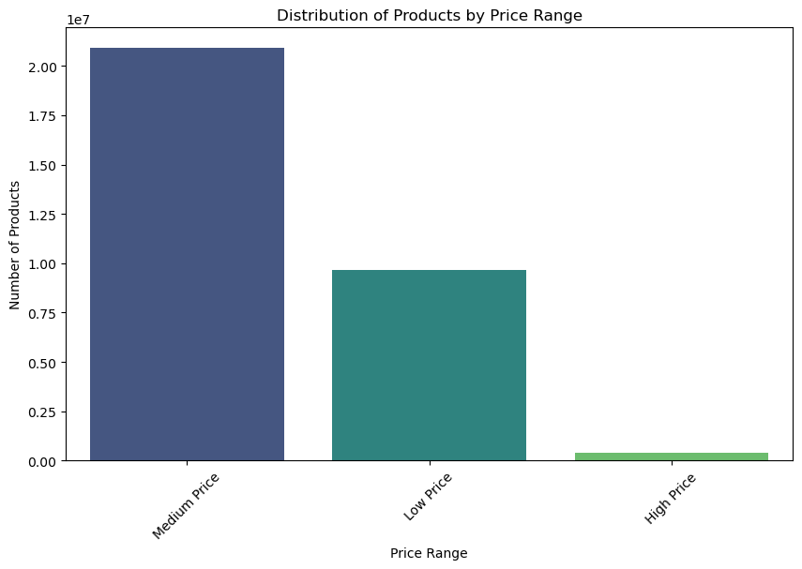 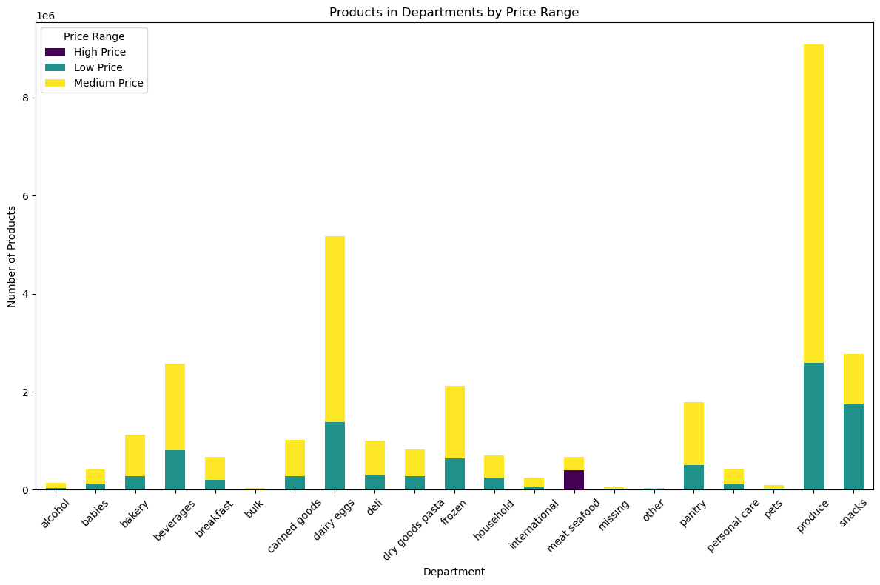

4. What’s the distribution among users in regards to their brand loyalty (i.e., how often do they return to Instacart)? | Most users fall within the 'regular customer' category (<= 40 orders >10), then the 'loyal customer' > 40 orders and finally the 'new customer' |  | 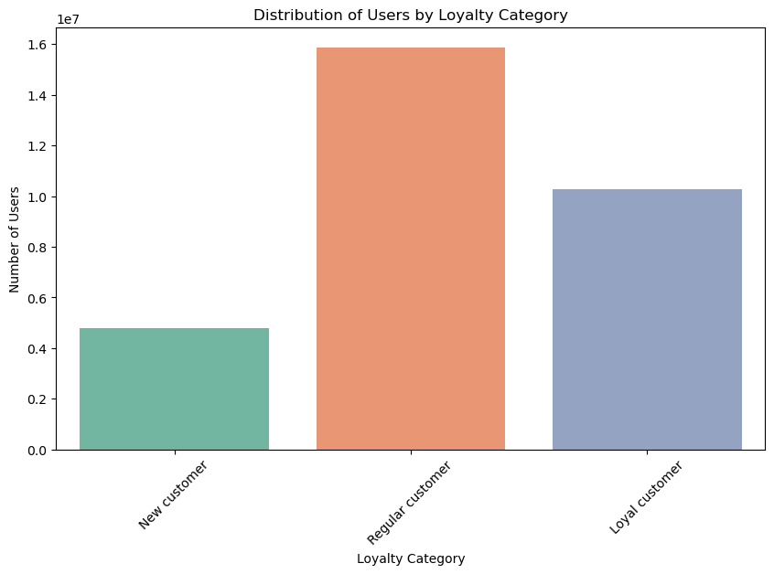

5. Are there differences in ordering habits based on a customer’s loyalty status? | As can be seen by this graph - customer loyalty does not have an effect on the customers ordering habits. Saturay and Sunday remain the most popular days for ordering across all 3 levels of loyalty. |  | 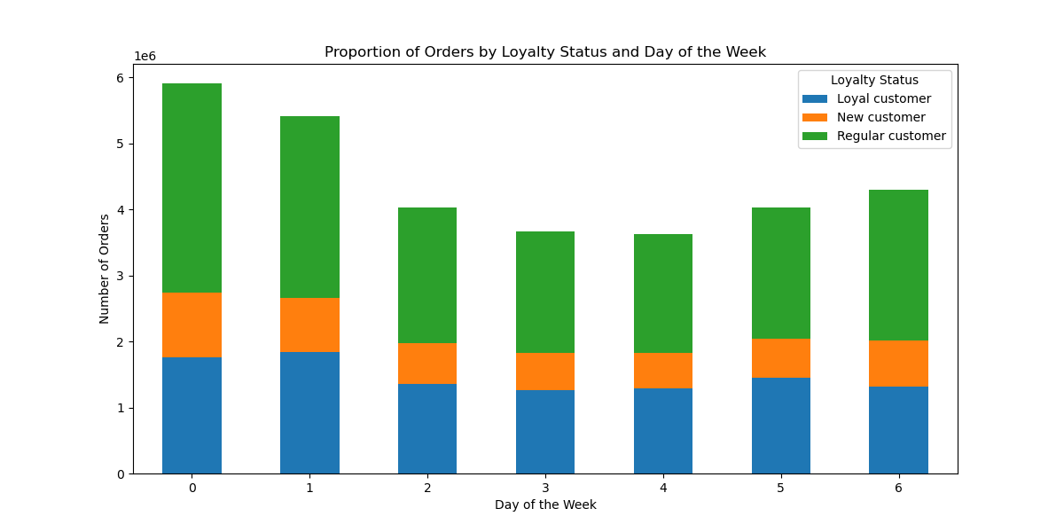

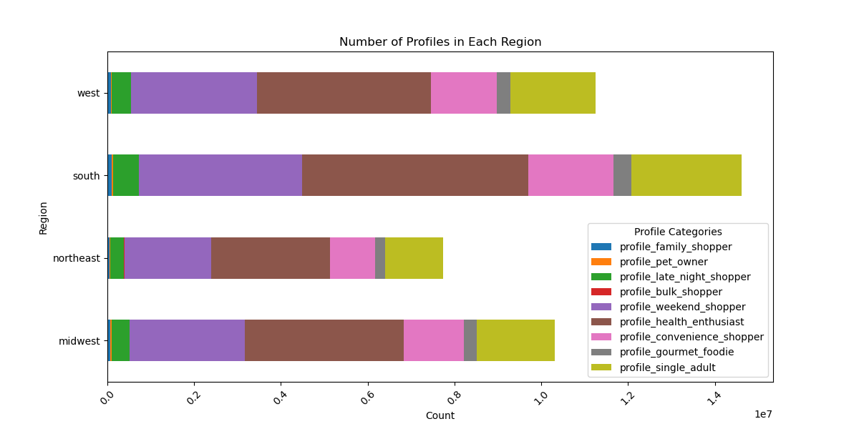

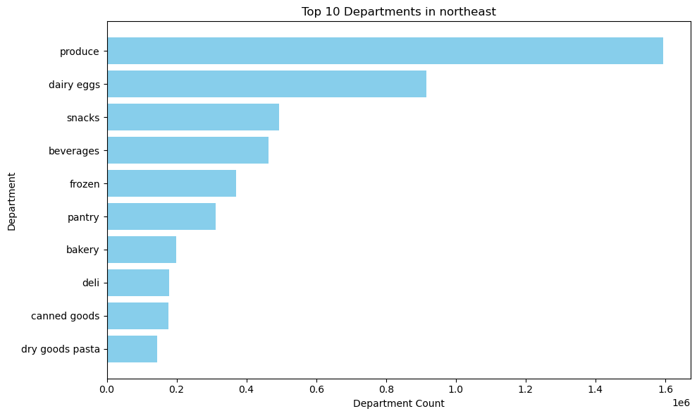

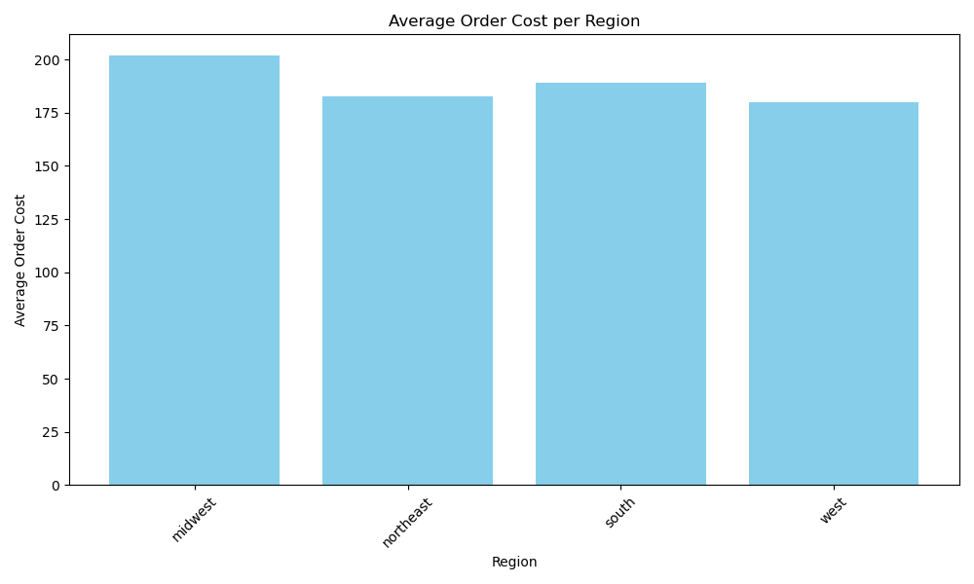
6. Are there differences in ordering habits based on a customer’s region? | In terms of which departments are popular per region - they all seem to carry the same trend with produce being the highest. When it comes to most common day of ordering per region - again the trends all land the highest amount of orders over the weekend. The south having more customers that the rest of the regions at 54,193 has a significantly lower average order cost and total order cost than the midwest, who has 41% less customers than the South, has 7% higher average total order value than than the South - Indicating that they prefer more expensive products. Average Order Cost Average Total Order Value Number of Customers region midwest 170 201 38,376 northeast 154 182 28,581 south 158 188 54,193 west 150 179 41,481 |  |  
 |  |  |  |  |  | Pivot table showing regions and order values
 |  |  |  |  |  | Average Order Cost Average Total Order Value Number of Customers
 |  |  |  |  |  | region
 |  |  |  |  |  | midwest 170.084647 201.670101 38376
 |  |  |  |  |  | northeast 154.129500 182.556076 28581
 |  |  |  |  |  | south 158.479840 188.885493 54193
 |  |  |  |  |  | west 150.989782 179.926036 41481

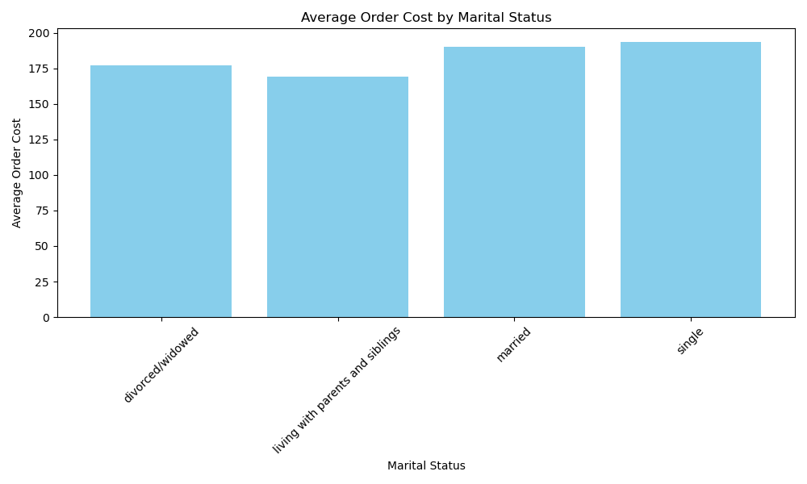
 |  |  |  |  | 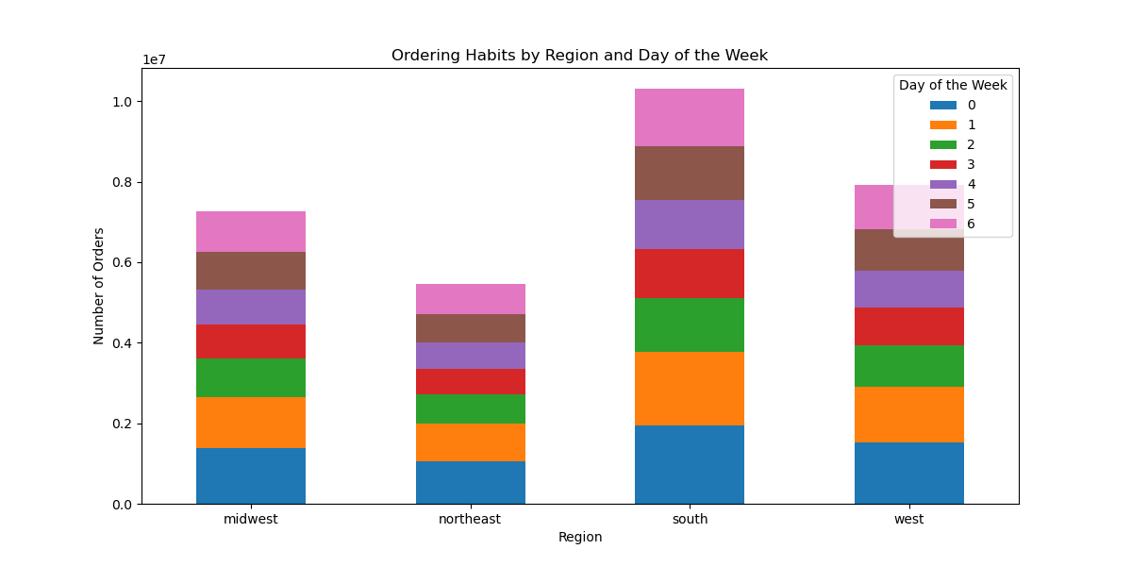
7. Is there a connection between age and family status in terms of ordering habits? | There tend to be more users that are older (senior), there also tends to be a higher number of married couples. Single and married individuals tend to have higher average order costs than those that can be considered as dependents (living with parents/siblings) |  | 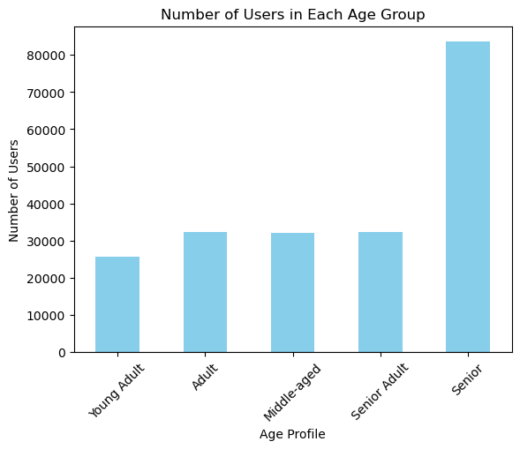 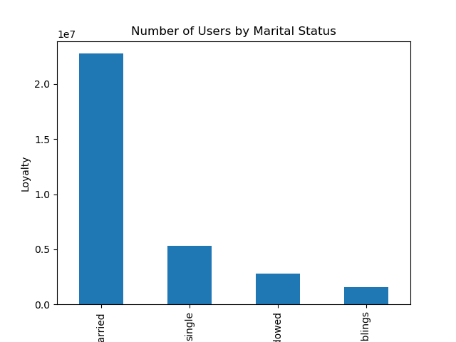

8. What different classifications does the demographic information suggest? Age? Income? Certain types of goods? Family status? | Most customers fall within the high income bracket - across all regions, followed by middle income. - this makes sense when we look at age and in ome scatterplots on the far left and considering the above that most customers are of the older (senior) age group. When taking a closer look at how we could break this up in order to bettger assist the marketing department - we looked at creating profile customer personas that come from a directional angle and can inform a marketing campaign based on findings. (please see customer profiles in column derivations) Here we can see that a number of users fall within the weekend shopper, health enthusiast, convenience and gourmet foodie categories |  | 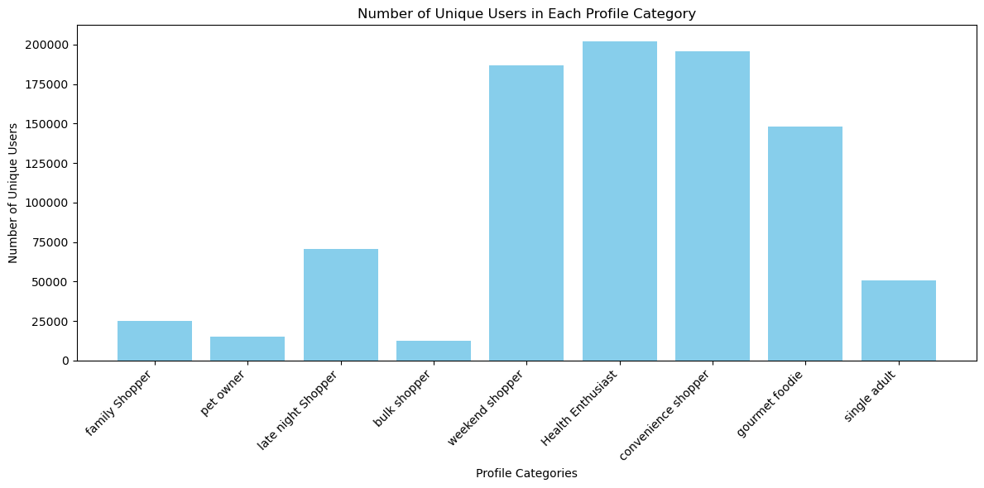 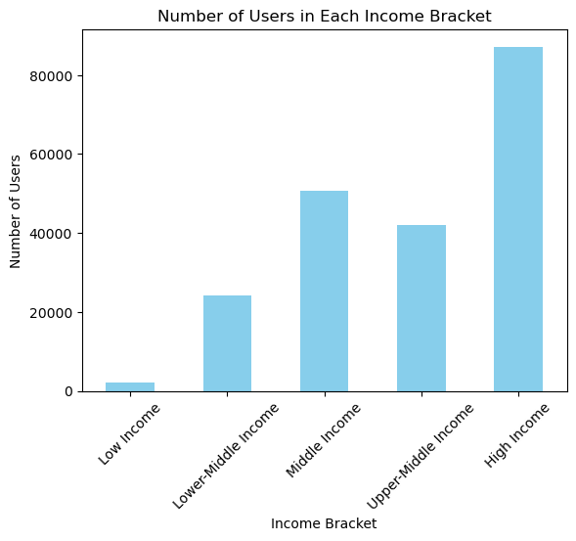 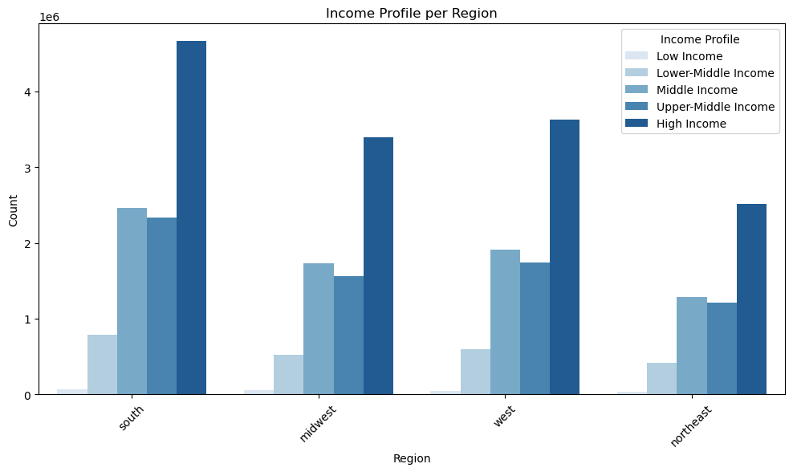

9. What differences can you find in ordering habits of different customer | Based on our customer profiles - majority of customers are not frequent customers - on average 20% of orders in each cagtegory comes from regular customers. |  | 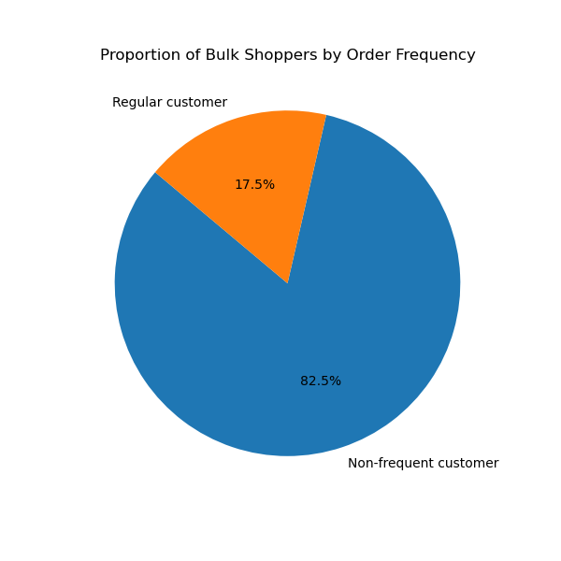 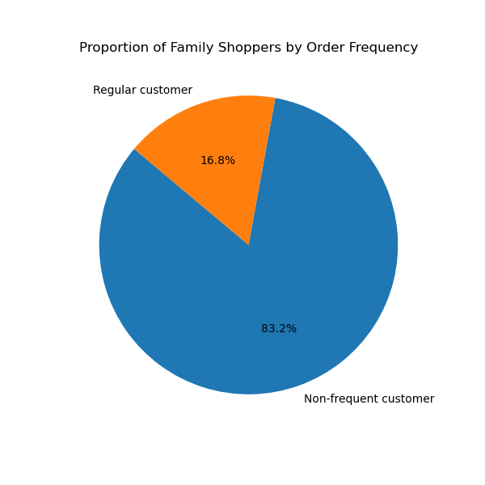 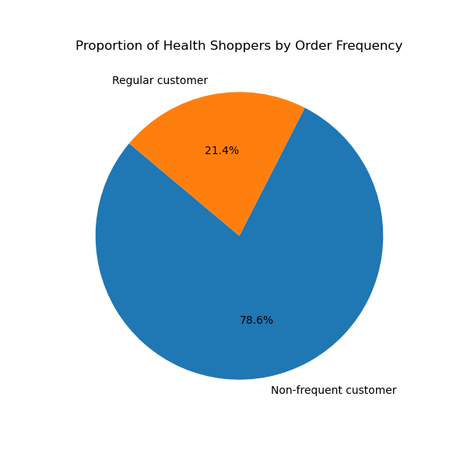 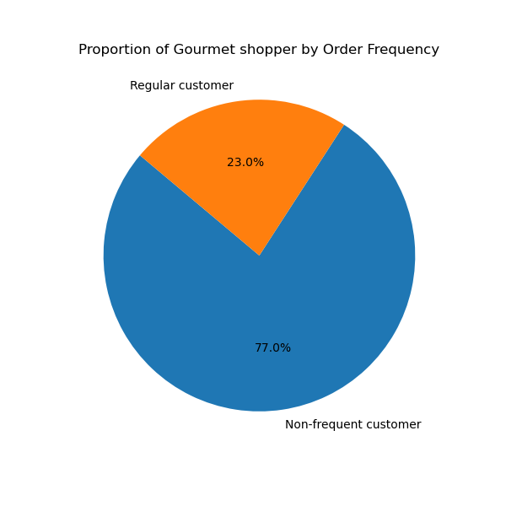  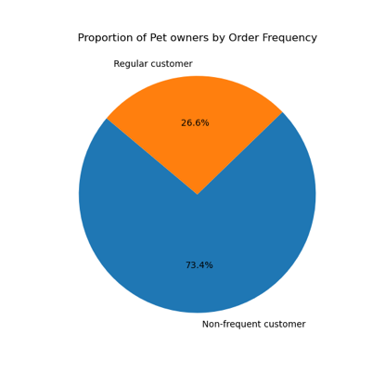  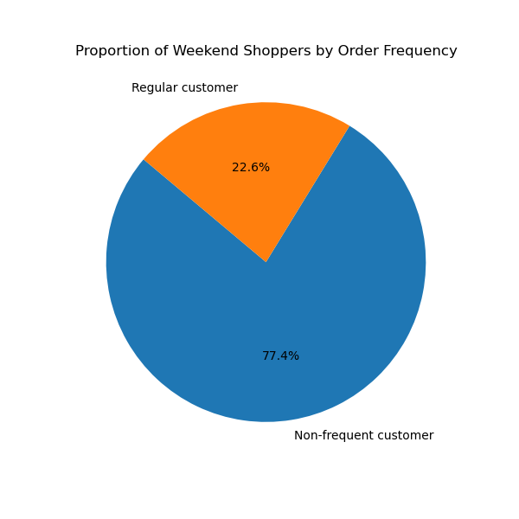

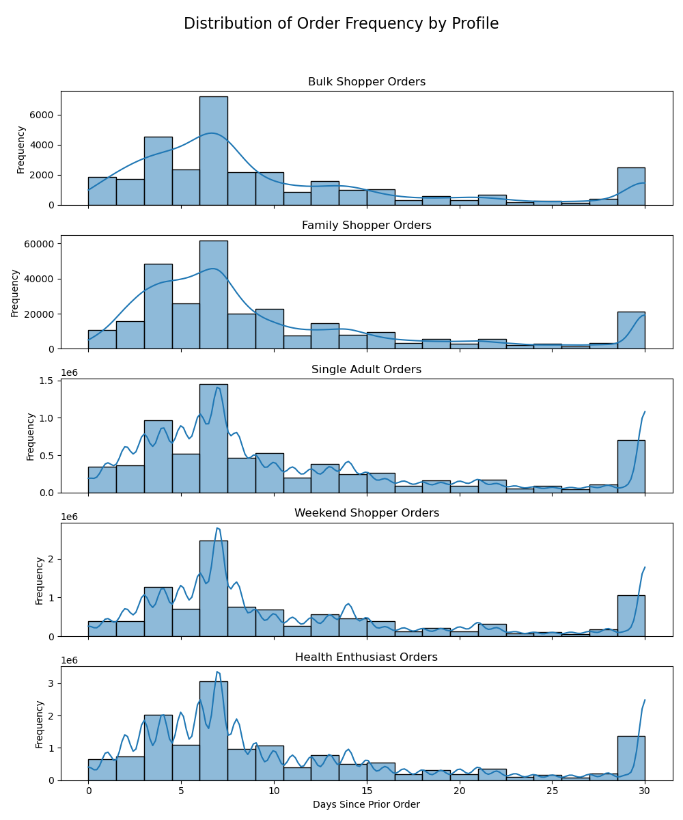
 |  |  |  | 
10. profiles? Consider the price of orders, the frequency of orders, the products customers are ordering, and anything else you can think of. | Health enthusiast on average spend more than other shoppers, followed by single adults, weekend shoppers and late night shoppers. In terms of orfer frequency - the customer profiles tend to have somewhat of a similar pattern. When it comes to order frequency - the bulk and family shoppers tend to have a more stable KDE curve, suggesting continuity wheras the single adult, health enthusiest and weekend shopper tends to view more happhazardly - which could explain the nature of those customer profiles as one would imaging them. Health enthusiests may refresh fresh produce more, weekedn shoppers - weekly, single adults based on day-to-day feelings and spontineity.

7. Recommendations
 |  | Title page

Recommendations

Question | Action Point
Busiest Days and Hours for Ads Scheduling: | Schedule ads during the least busy days of the week, which are typically Monday through Friday. Also, consider running ads during non-peak hours, especially before 10 am and after 12 pm, to reach customers during quieter shopping times. Shedule high cost products and gourmet items over the weekend when shopping value is higher.
High Spending Hours: | Focus on advertising high-value products or promotions during the peak spending hours of 11 am to 12 pm. Tailor your marketing strategy to target customers during this time frame.
Simpler Price Range Groupings: | Based on the simplified price range groupings, create adverts that appeal to specific markets that fall within that price range preference. Most customers prefer medium to low priced products, increase investment in advertising for these products. I would also suggest creating a niche strategy for the higher priced goods (meat & fish) in order to boost sales.
Brand Loyalty Distribution: | Tailor marketing campaigns to the different customer loyalty segments. For example, offer loyalty rewards or incentives to retain regular and loyal customers, and implement targeted acquisition strategies for new customers.
Differences in Ordering Habits by Loyalty Status: | I would look closer at the specific ordering habits of customers in each loyalty category. Adjust marketing efforts to match the preferences and behaviors of each group. Provide special incentives or promotions to encourage repeat orders from regular and loyal customers.
Differences in Ordering Habits by Region: | Customize marketing strategies for each region based on the department popularity and common ordering days. Consider offering region-specific promotions or products to cater to local preferences and boost sales. The South has hold the majority of customers, however the Midwest tend to spend 7% more on average per order. Ensure that value offerings are being driven to the cusotmers in the South to try and encourage increased average order value.
Age and Family Status Impact on Ordering: | Recognize that older and married customers tend to have higher average order costs. Tailor marketing campaigns to meet the needs and preferences of these customer segments, possibly emphasizing products and promotions suitable for families and older demographics.
Demographic Classifications: | Target marketing efforts toward high-income customers, as they make up a significant portion of the customer base. Utilize customer profiles such as weekend shoppers, health enthusiasts, convenience shoppers, and gourmet foodies to create personalized marketing campaigns that align with their preferences.
Differences in Ordering Habits Among Profiles: | Acknowledge that most customers are not frequent shoppers. Implement strategies to encourage repeat purchases and increase customer loyalty. Consider loyalty programs or special discounts to incentivize more frequent orders.
Profiles and Ordering Behavior: | Recognize that health enthusiasts tend to spend more. Tailor marketing campaigns to promote health-related products or premium items to this segment. Analyze order frequency patterns within each profile and adjust marketing strategies accordingly to match their shopping behaviors.

